Cover
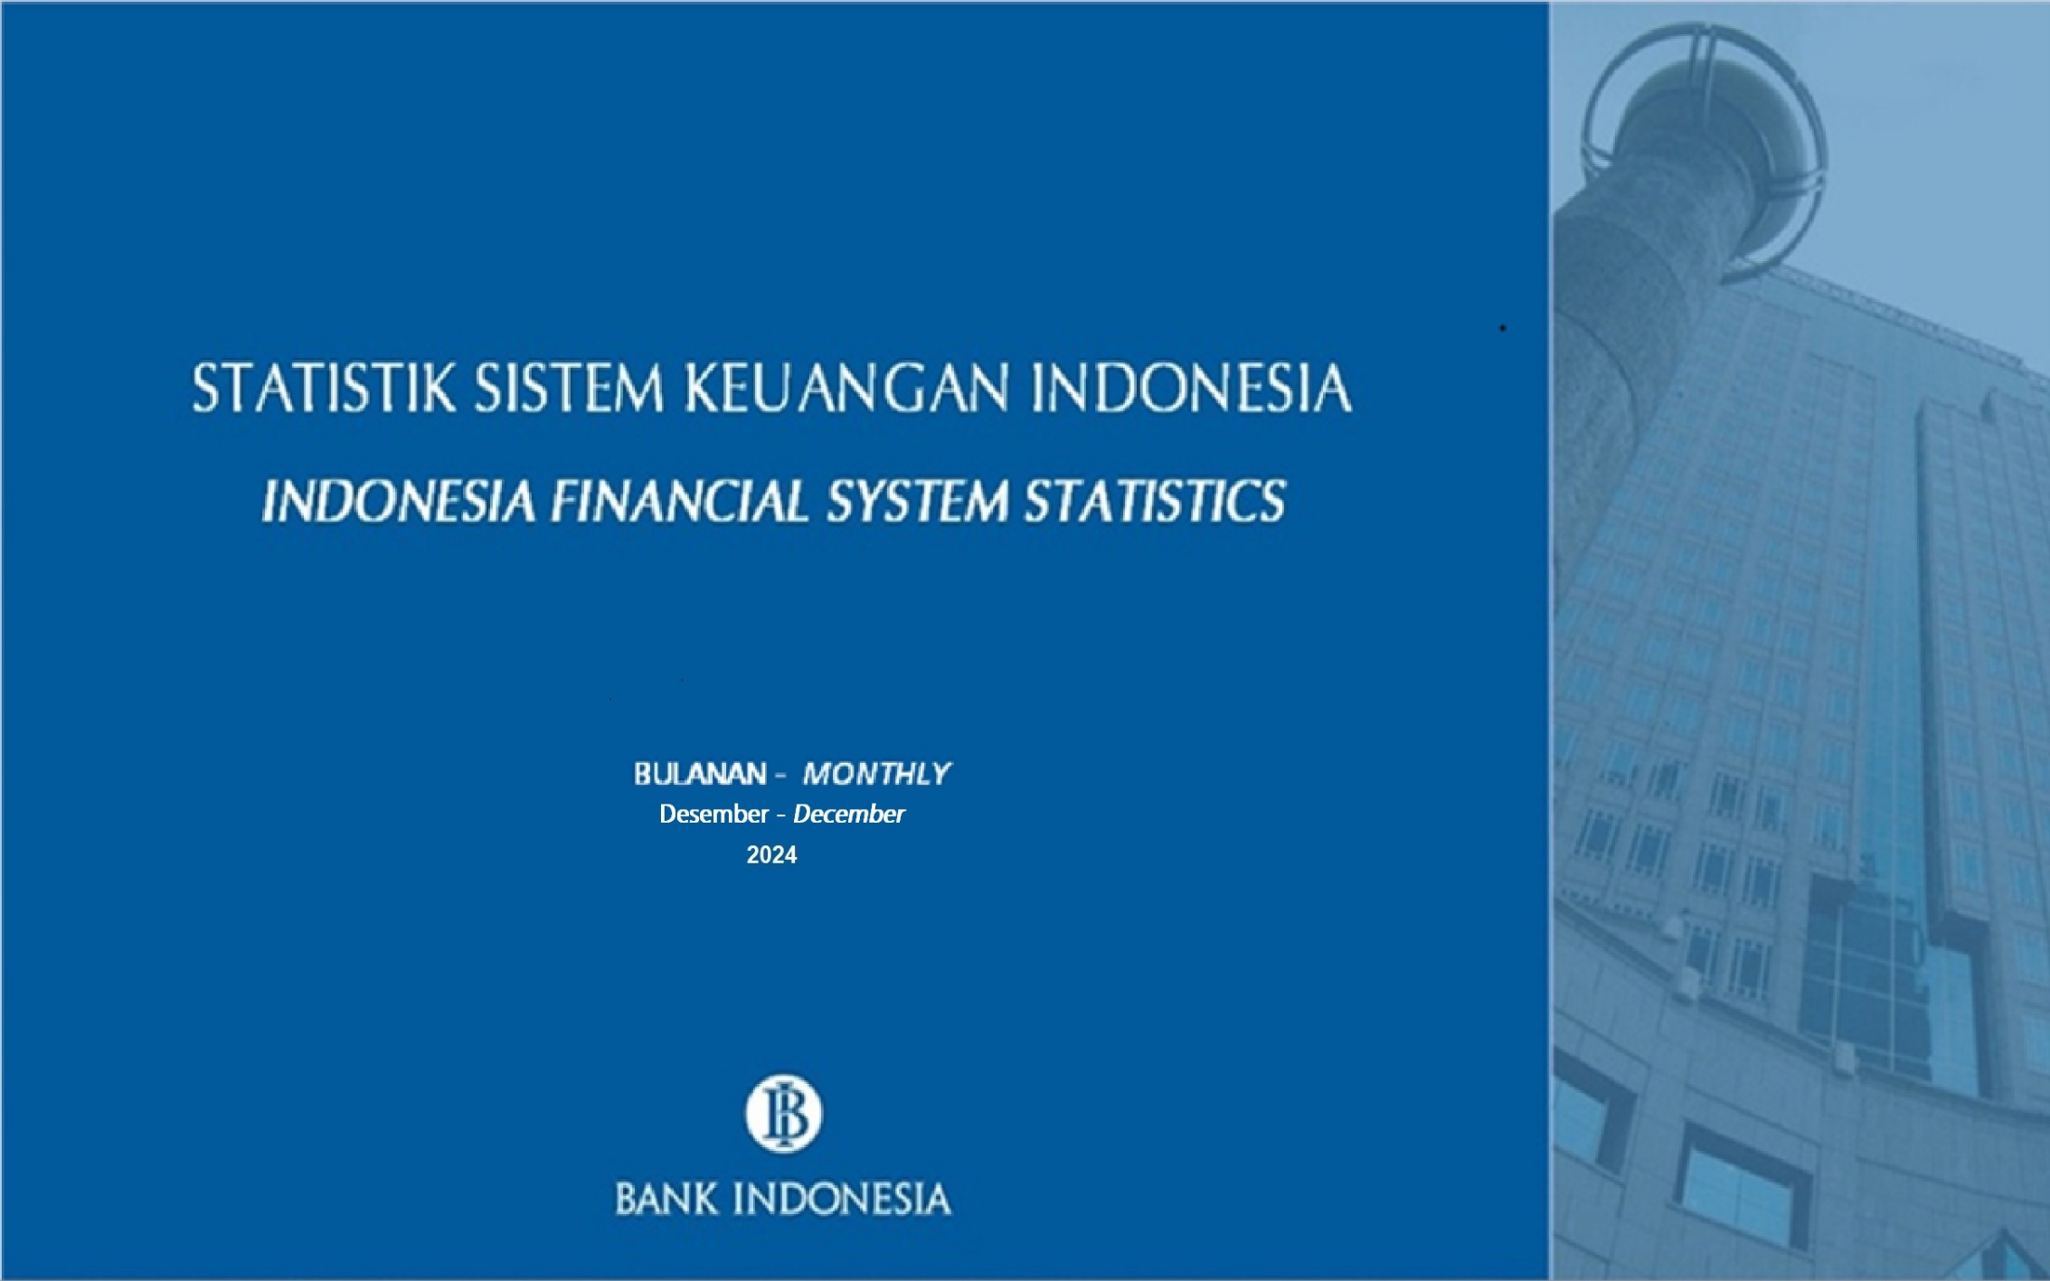

1 | 1

16a
TABEL 16a.INDIKATOR SEKTOR KORPORASI/
TABLE 16a. INDICATORS OF CORPORATE SECTOR

KOMPONEN |  | SATUAN/ UNIT | 2019 | 2020 | 2021 | 2022 |  | 2023** | 2023 |  |  |  | 2024 |  |  | COMPONENTS
 |  |  |  |  |  |  | Q4 |  | Q1 | Q2 | Q3 | Q4 * | Q1 * | Q2 ** | Q3 **
1 | Jumlah Emiten Non Keuangan | Perusahaan/ Company | 574 | 615 | 657 | 715 | 715 | 797 | 743 | 758 | 785 | 797 | 815 | 820 | 830 | Number of Listed Non Financial Corporation | 1
2 | Cakupan Emiten Non Keuangan dalam Perhitungan Rasio Kinerja 1) | Perusahaan/ Company | 511 | 499 | 278 | 670 | 670 | 684 | 641 | 546 | 671 | 684 | 703 | 738 | 555 | Number of Listed Non Financial Corporation for Performance Ratio Calculation 1) | 2
3 | NPL Korporasi Non Keuangan (Kredit dari Sektor Perbankan) 2) | % | 2.82 | 3.68 | 3.66 | 2.81 | 2.81 | 2.18 | 2.78 | 2.59 | 2.50 | 2.18 | 2.23 | 2.23 | 2.17 | NPL Non Financial Corporation 2) | 3
4 |  |  |  |  |  |  |  |  |  |  |  |  |  |  |  |  | 4
5 | RASIO KINERJA KEUANGAN |  |  |  |  |  |  |  |  |  |  |  |  |  |  | FINANCIAL PERFORMANCE RATIO | 5
6 | SEKTOR ENERGI |  |  |  |  |  |  |  |  |  |  |  |  |  |  | ENERGY SECTOR | 6
7 | Rasio Solvabilitas |  |  |  |  |  |  |  |  |  |  |  |  |  |  | Solvability Ratio | 7
8 | Debt to Equity Ratio (Total Kewajiban/Ekuitas) | Kali/Times | - | - | 1.23 | 1.00 | 1.00 | 0.91 | 0.88 | 0.87 | 0.86 | 0.91 | 0.85 | 0.85 | 0.76 | Debt to Equity Ratio (Total Liabilities/Total Equity) | 8
9 | Debt To Asset Ratio (Total Kewajiban/ Total Aset) | Kali/Times | - | - | 0.55 | 0.50 | 0.50 | 0.48 | 0.47 | 0.47 | 0.46 | 0.48 | 0.46 | 0.46 | 0.43 | Debt To Asset Ratio (Total Liabilities/Total Assets) | 9
10 | Rasio Likuiditas |  |  |  |  |  |  |  |  |  |  |  |  |  |  | Liquidity Ratio | 10
11 | Current Ratio (Aset Lancar/Kewajiban Lancar) | Kali/Times | - | - | 1.61 | 1.63 | 1.63 | 1.49 | 1.86 | 1.66 | 1.68 | 1.49 | 1.55 | 1.59 | 1.73 | Current Ratio (Current Assets/Current Liabilities) | 11
12 | Quick Ratio ((Aset Lancar - Persediaan)/Kewajiban Lancar) | Kali/Times | - | - | 1.50 | 1.50 | 1.50 | 1.36 | 1.72 | 1.52 | 1.52 | 1.36 | 1.40 | 1.43 | 1.55 | Quick Ratio ((Current Assets - Inventory)/Current Liabilities) | 12
13 | Turn Over Ratio |  |  |  |  |  |  |  |  |  |  |  |  |  |  | Turn Over Ratio | 13
14 | Inventory Turn Over (Total Penjualan (Disetahunkan)/Persediaan) | Kali/Times | - | - | 23.05 | 24.84 | 24.84 | 22.13 | 28.95 | 26.47 | 22.02 | 22.13 | 19.54 | 18.63 | 18.91 | Inventory Turn Over (Total Sales (Annualized)/Inventory) | 14
15 | Asset Turn Over (Total Penjualan (Disetahunkan)/Total Aset) | Kali/Times | - | - | 0.58 | 0.79 | 0.79 | 0.75 | 0.87 | 0.87 | 0.83 | 0.75 | 0.68 | 0.66 | 0.73 | Asset Turn Over (Total Sales (Annualized)/Total Assets) | 15
16 | Rasio Profitabilitas |  |  |  |  |  |  |  |  |  |  |  |  |  |  | Profitability Ratio | 16
17 | Return on Assets (Pendapatan Bersih (Disetahunkan)/Rata-rata Aset) | % | - | - | 8.68 | 18.10 | 18.10 | 11.18 | 17.69 | 15.42 | 12.84 | 11.18 | 9.30 | 8.83 | 9.56 | Return on Assets (Net Income (Annualized)/Average Assets) | 17
18 | Return on Equity (Pendapatan Bersih (Disetahunkan)/Rata-rata Ekuitas) | % | - | - | 19.74 | 38.37 | 38.37 | 21.01 | 33.28 | 28.93 | 23.99 | 21.01 | 17.20 | 16.31 | 17.41 | Return on Equity (Net Income (Annualized)/Average Equity) | 18
19 |  |  |  |  |  |  |  |  |  |  |  |  |  |  |  |  | 19
20 | SEKTOR BARANG BAKU |  |  |  |  |  |  |  |  |  |  |  |  |  |  | BASIC MATERIALS SECTOR | 20
21 | Rasio Solvabilitas |  |  |  |  |  |  |  |  |  |  |  |  |  |  | Solvability Ratio | 21
22 | Debt to Equity Ratio (Total Kewajiban/Ekuitas) | Kali/Times | - | - | 0.96 | 0.87 | 0.87 | 0.80 | 0.84 | 0.82 | 0.81 | 0.80 | 0.79 | 0.78 | 0.83 | Debt to Equity Ratio (Total Liabilities/Total Equity) | 22
23 | Debt To Asset Ratio (Total Kewajiban/ Total Aset) | Kali/Times | - | - | 0.49 | 0.46 | 0.46 | 0.45 | 0.46 | 0.45 | 0.45 | 0.45 | 0.44 | 0.44 | 0.45 | Debt To Asset Ratio (Total Liabilities/Total Assets) | 23
24 | Rasio Likuiditas |  |  |  |  |  |  |  |  |  |  |  |  |  |  | Liquidity Ratio | 24
25 | Current Ratio (Aset Lancar/Kewajiban Lancar) | Kali/Times | - | - | 1.63 | 1.67 | 1.67 | 1.77 | 1.71 | 1.71 | 1.83 | 1.77 | 1.80 | 1.78 | 1.79 | Current Ratio (Current Assets/Current Liabilities) | 25
26 | Quick Ratio ((Aset Lancar - Persediaan)/Kewajiban Lancar) | Kali/Times | - | - | 1.25 | 1.28 | 1.28 | 1.38 | 1.29 | 1.29 | 1.41 | 1.38 | 1.41 | 1.38 | 1.39 | Quick Ratio ((Current Assets - Inventory)/Current Liabilities) | 26
27 | Turn Over Ratio |  |  |  |  |  |  |  |  |  |  |  |  |  |  | Turn Over Ratio | 27
28 | Inventory Turn Over (Total Penjualan (Disetahunkan)/Persediaan) | Kali/Times | - | - | 5.69 | 6.19 | 6.19 | 5.34 | 6.18 | 5.89 | 5.37 | 5.34 | 5.37 | 5.79 | 5.68 | Inventory Turn Over (Total Sales (Annualized)/Inventory) | 28
29 | Asset Turn Over (Total Penjualan (Disetahunkan)/Total Aset) | Kali/Times | - | - | 0.51 | 0.54 | 0.54 | 0.42 | 0.55 | 0.52 | 0.43 | 0.42 | 0.40 | 0.44 | 0.44 | Asset Turn Over (Total Sales (Annualized)/Total Assets) | 29
30 | Rasio Profitabilitas |  |  |  |  |  |  |  |  |  |  |  |  |  |  | Profitability Ratio | 30
31 | Return on Assets (Pendapatan Bersih (Disetahunkan)/Rata-rata Aset) | % | - | - | 3.36 | 4.24 | 4.24 | 3.01 | 3.71 | 3.36 | 3.42 | 3.01 | 2.19 | 3.08 | 2.98 | Return on Assets (Net Income (Annualized)/Average Assets) | 31
32 | Return on Equity (Pendapatan Bersih (Disetahunkan)/Rata-rata Ekuitas) | % | - | - | 6.68 | 8.00 | 8.00 | 5.46 | 6.82 | 6.15 | 6.23 | 5.46 | 3.92 | 5.51 | 5.36 | Return on Equity (Net Income (Annualized)/Average Equity) | 32
33 |  |  |  |  |  |  |  |  |  |  |  |  |  |  |  |  | 33
34 | SEKTOR PERINDUSTRIAN |  |  |  |  |  |  |  |  |  |  |  |  |  |  | INDUSTRIAL SECTOR | 34
35 | Rasio Solvabilitas |  |  |  |  |  |  |  |  |  |  |  |  |  |  | Solvability Ratio | 35
36 | Debt to Equity Ratio (Total Kewajiban/Ekuitas) | Kali/Times | - | - | 0.68 | 0.74 | 0.74 | 0.87 | 0.69 | 0.82 | 0.95 | 0.87 | 0.82 | 0.88 | 0.77 | Debt to Equity Ratio (Total Liabilities/Total Equity) | 36
37 | Debt To Asset Ratio (Total Kewajiban/ Total Aset) | Kali/Times | - | - | 0.41 | 0.42 | 0.42 | 0.47 | 0.41 | 0.45 | 0.49 | 0.47 | 0.45 | 0.47 | 0.43 | Debt To Asset Ratio (Total Liabilities/Total Assets) | 37
38 | Rasio Likuiditas |  |  |  |  |  |  |  |  |  |  |  |  |  |  | Liquidity Ratio | 38
39 | Current Ratio (Aset Lancar/Kewajiban Lancar) | Kali/Times | - | - | 1.81 | 1.62 | 1.62 | 1.51 | 1.74 | 1.43 | 1.23 | 1.51 | 1.55 | 1.55 | 1.57 | Current Ratio (Current Assets/Current Liabilities) | 39
40 | Quick Ratio ((Aset Lancar - Persediaan)/Kewajiban Lancar) | Kali/Times | - | - | 1.38 | 1.14 | 1.14 | 1.02 | 1.30 | 1.01 | 0.86 | 1.02 | 1.06 | 1.07 | 1.11 | Quick Ratio ((Current Assets - Inventory)/Current Liabilities) | 40
41 | Turn Over Ratio |  |  |  |  |  |  |  |  |  |  |  |  |  |  | Turn Over Ratio | 41
42 | Inventory Turn Over (Total Penjualan (Disetahunkan)/Persediaan) | Kali/Times | - | - | 6.10 | 7.45 | 7.45 | 5.96 | 6.39 | 6.24 | 5.74 | 5.96 | 5.86 | 5.79 | 1278.91 | Inventory Turn Over (Total Sales (Annualized)/Inventory) | 42
43 | Asset Turn Over (Total Penjualan (Disetahunkan)/Total Aset) | Kali/Times | - | - | 0.75 | 1.18 | 1.18 | 0.86 | 0.89 | 0.95 | 0.86 | 0.86 | 0.83 | 0.81 | 171.81 | Asset Turn Over (Total Sales (Annualized)/Total Assets) | 43
44 | Rasio Profitabilitas |  |  |  |  |  |  |  |  |  |  |  |  |  |  | Profitability Ratio | 44
45 | Return on Assets (Pendapatan Bersih (Disetahunkan)/Rata-rata Aset) | % | - | - | 7.31 | 12.92 | 12.92 | 11.24 | 11.85 | 12.03 | 11.17 | 11.24 | 10.05 | 9.59 | 10.42 | Return on Assets (Net Income (Annualized)/Average Assets) | 45
46 | Return on Equity (Pendapatan Bersih (Disetahunkan)/Rata-rata Ekuitas) | % | - | - | 12.46 | 22.43 | 22.43 | 20.60 | 20.09 | 21.12 | 20.33 | 20.60 | 18.35 | 17.75 | 18.99 | Return on Equity (Net Income (Annualized)/Average Equity) | 46
47 |  |  |  |  |  |  |  |  |  |  |  |  |  |  |  |  | 47
48 | SEKTOR SEKTOR BARANG KONSUMEN PRIMER |  |  |  |  |  |  |  |  |  |  |  |  |  |  | CONSUMER NON-CYCLICALS SECTOR | 48
49 | Rasio Solvabilitas |  |  |  |  |  |  |  |  |  |  |  |  |  |  | Solvability Ratio | 49
50 | Debt to Equity Ratio (Total Kewajiban/Ekuitas) | Kali/Times | - | - | 1.01 | 0.91 | 0.91 | 0.87 | 0.89 | 0.92 | 0.88 | 0.87 | 0.88 | 0.89 | 0.82 | Debt to Equity Ratio (Total Liabilities/Total Equity) | 50
51 | Debt To Asset Ratio (Total Kewajiban/ Total Aset) | Kali/Times | - | - | 0.50 | 0.48 | 0.48 | 0.46 | 0.47 | 0.48 | 0.47 | 0.46 | 0.47 | 0.47 | 0.45 | Debt To Asset Ratio (Total Liabilities/Total Assets) | 51
52 | Rasio Likuiditas |  |  |  |  |  |  |  |  |  |  |  |  |  |  | Liquidity Ratio | 52
53 | Current Ratio (Aset Lancar/Kewajiban Lancar) | Kali/Times | - | - | 1.50 | 1.62 | 1.62 | 1.62 | 1.66 | 1.54 | 1.61 | 1.62 | 1.64 | 1.63 | 1.73 | Current Ratio (Current Assets/Current Liabilities) | 53
54 | Quick Ratio ((Aset Lancar - Persediaan)/Kewajiban Lancar) | Kali/Times | - | - | 0.85 | 0.87 | 0.87 | 0.89 | 0.91 | 0.83 | 0.88 | 0.89 | 0.93 | 0.91 | 0.97 | Quick Ratio ((Current Assets - Inventory)/Current Liabilities) | 54
55 | Turn Over Ratio |  |  |  |  |  |  |  |  |  |  |  |  |  |  | Turn Over Ratio | 55
56 | Inventory Turn Over (Total Penjualan (Disetahunkan)/Persediaan) | Kali/Times | - | - | 5.69 | 5.23 | 5.23 | 5.53 | 5.32 | 5.59 | 5.61 | 5.53 | 5.39 | 5.37 | 5.80 | Inventory Turn Over (Total Sales (Annualized)/Inventory) | 56
57 | Asset Turn Over (Total Penjualan (Disetahunkan)/Total Aset) | Kali/Times | - | - | 1.02 | 1.03 | 1.03 | 1.08 | 1.02 | 1.10 | 1.09 | 1.08 | 1.04 | 1.05 | 1.11 | Asset Turn Over (Total Sales (Annualized)/Total Assets) | 57
58 | Rasio Profitabilitas |  |  |  |  |  |  |  |  |  |  |  |  |  |  | Profitability Ratio | 58
59 | Return on Assets (Pendapatan Bersih (Disetahunkan)/Rata-rata Aset) | % | - | - | 6.85 | 6.12 | 6.12 | 5.86 | 6.16 | 6.02 | 6.20 | 5.86 | 5.39 | 5.05 | 5.73 | Return on Assets (Net Income (Annualized)/Average Assets) | 59
60 | Return on Equity (Pendapatan Bersih (Disetahunkan)/Rata-rata Ekuitas) | % | - | - | 13.73 | 11.92 | 11.92 | 11.07 | 11.61 | 11.46 | 11.75 | 11.07 | 10.13 | 9.52 | 10.66 | Return on Equity (Net Income (Annualized)/Average Equity) | 60
...
KOMPONEN |  | SATUAN/ UNIT | 2019 | 2020 | 2021
121 | Debt To Asset Ratio (Total Kewajiban/ Total Aset) | Kali/Times | - | - | 0.68
122 | Rasio Likuiditas
123 | Current Ratio (Aset Lancar/Kewajiban Lancar) | Kali/Times | - | - | 0.85
124 | Quick Ratio ((Aset Lancar - Persediaan)/Kewajiban Lancar) | Kali/Times | - | - | 0.74
125 | Turn Over Ratio
126 | Inventory Turn Over (Total Penjualan (Disetahunkan)/Persediaan) | Kali/Times | - | - | 8.79
127 | Asset Turn Over (Total Penjualan (Disetahunkan)/Total Aset) | Kali/Times | - | - | 0.33
128 | Rasio Profitabilitas
129 | Return on Assets (Pendapatan Bersih (Disetahunkan)/Rata-rata Aset) | % | - | - | 3.13
130 | Return on Equity (Pendapatan Bersih (Disetahunkan)/Rata-rata Ekuitas) | % | - | - | 10.02
ini r kah?
131
132 | SEKTOR TRANSPORTASI & LOGISTIK
133 | Rasio Solvabilitas
134 | Debt to Equity Ratio (Total Kewajiban/Ekuitas) | Kali/Times | - | - | -5.57
135 | Debt To Asset Ratio (Total Kewajiban/ Total Aset) | Kali/Times | - | - | 1.22
136 | Rasio Likuiditas
137 | Current Ratio (Aset Lancar/Kewajiban Lancar) | Kali/Times | - | - | 0.18
138 | Quick Ratio ((Aset Lancar - Persediaan)/Kewajiban Lancar) | Kali/Times | - | - | 0.16
139 | Turn Over Ratio
140 | Inventory Turn Over (Total Penjualan (Disetahunkan)/Persediaan) | Kali/Times | - | - | 28.08
141 | Asset Turn Over (Total Penjualan (Disetahunkan)/Total Aset) | Kali/Times | - | - | 0.24
142 | Rasio Profitabilitas
143 | Return on Assets (Pendapatan Bersih (Disetahunkan)/Rata-rata Aset) | % | - | - | -24.72
144 | Return on Equity (Pendapatan Bersih (Disetahunkan)/Rata-rata Ekuitas) | % | - | - | 122.06
...

